1. Title Page
Instacart Grocery Basket Analysis

Project Name: Instacart Grocery Basket Analysis
Date: 14.04.2023
Analyst Name: Muhammad Abdulkayyum, Muttaki

Contents:
Population Flow
Consistency checks
Wrangling steps
Column derivations
Visualizations
Recommendations

Security Checks
Customer table contains private information like First Name', 'last_name', 'gender', 'state', 'age', 'date_joined', 'no_of_dependents', 'marital_status', 'income'.

Hier steht Ihr Text.
Hier steht Ihr Text.

4. Wrangling steps
 |  |  |  | Title page
Wrangling steps

Columns dropped | Columns renamed | Columns' type changed | Comment/Reason
eval_set from orders.csv |  |  | No use in analytics
df_ords_prods_merged['max_order'] |  |  | The intermediate column used for derivation
df_ords_prods_merged[ 'max_product_orders']) |  |  | The intermediate column used for derivation
df_ords_prods_merged['median_of_frequency']) |  |  | The intermediate column used for derivation
df_ords_prods_merged[ 'busiest_day']) |  |  | The intermediate column used for derivation
 | In the customer csv renamed columns from 'Surnam' : 'last_name', 'STATE' : 'state', 'n_dependants' : 'no_of_dependents', 'fam_status' : 'marital_status', 'Gender' : 'gender', ' Age' : 'age', 'First Name' : 'first_name' |  | To make the column understandable to stakeholders and to maintain consistency in spelling and the case.
 | orders_DOW column from order records is changed to orders_day_of_week |  | To make the column understandable to stakeholders
 |  | From Customer table df_customer_csv['user_id'] = changed the data type to ('str') df_customer_csv['gender'] = changed the data type to ('str') df_customer_csv['state'] = changed the data type to ('str') df_customer_csv['marital_status'] = changed the data type to ('str') df_customer_csv['date_joined'] = changed the data type to('datetime64[ns]') | To avoid additional computation on the user, department ids.
 |  | In merged data changed the datatype from df_ords_prods_merged['order_id'] = changed the data type to ('str') df_ords_prods_merged['user_id'] = changed the data type to ('str') df_ords_prods_merged['product_id'] = changed the data type to ('str') df_ords_prods_merged['aisle_id'] = changed the data type to ('str') df_ords_prods_merged['department_id'] = changed the data type to ('str') | To avoid additional computation on the user, department ids.
In the price column, outliers values above 100 dollar price is converted to nan values. After conversion outliers to nan, the max value in prices is: 25.0 |  |  | The values in the price column above 100 seem erroneous. So, the cells are converted to Nan.

2. Population Flow
 | Title page

Population flow

Exclusion flag
Condition: max_order <
Obervations to be removed:
Final total count of order_products_all:

Orders_products_combined
Orders_products_merged
Orders_products_all

Total: 32,435,059
Total: 32,434,489
Total:
32,435,059

1.) The grey boxes in the first row of the population flow represent the original data sets as they were when you downloaded them. In the Total fields you need to add the count of the rows when you imported the data set into Jupyter.
2.) The second row of boxes (coloured) represents the data sets after you manipulated them, e.g., removed missing values and duplicates. In the Total fields you need to add the count of the rows after conducting these operations. This offers a visual oveview of how the data flows throughout the data consistency checks.
3.) The third row, where also the arrows are coloured, represents the merges you performed between the datasets. In the Total fields you need to add the count of the rows in the merged datasets, so that you end up with the final dataset (in the red box). Keep in mind the final dataset should be without exclusions (based on the exclusion flag).

3. Consistency checks
 |  |  |  | Title page
Consistency checks

Dataset | Missing values | Missing values treatment | Duplicates
orders | orders['days_since_prior_order']=206209 | Impute the nan values with 0 in days_since_prior_order | 0
products | product['product_name']=16 | Removed the missing products | 5 records are duplicate 2 records have same key values
orders_products_prior | 0 |  | 0
customers | customer['First Name']=11259 | Ignored | 0

5. Column derivations
 |  |  |  | Title page

Column derivations and aggregations

In this tab you should add tables below that the frequences of flags/label variables that you produced after deriving them. NB: don't do this for continuous variables, only for flags.
Dataset | New column | Column/s it was derived from | Conditions
orders_products_merged.pkl | busy_days_of_the_week | orders_day_of_week | IF orders_day_of_week <= 1 THEN busy_days_of_the_week = 'Busiest days' IF orders_day_of_week = 6 or 4 or 5 THEN busy_days_of_the_week = 'Regular days' IF orders_day_of_week = 3 or 4 THEN busy_days_of_the_week = 'Regular days'
orders_products_merged.pkl | busiest_period_of_day | order_hour_of_day | IF (total number of orders per day) > 2,500,000 THEN order_hour_of_day = 'Most orders' IF (total number of orders per day) <= 2,500,000 & > 100,000 THEN order_hour_of_day = 'Fewest orders' IF (total number of orders per day) <= 100,000 THEN order_hour_of_day = 'Average orders'
orders_products_classified.pkl | loyalty_flag | ['user_id'])['order_number'] | IF (Total orders by user is ) > 40 THEN 'loyalty_flag' = 'Loyal customer' IF (Total orders by user is ) <= 40) & > 10 THEN 'loyalty_flag' = 'Regular customer' IF (Total orders by user is ) <= 10, THEN 'loyalty_flag' = 'New customer'
orders_products_classified.pkl | spending_flag | ['user_id'])['prices'] | IF (Total Customer order price is ) < 10 THEN 'spending_flag' = 'Low spender' IF (Total Customer order price is ) >= 10, THEN 'spending_flag' = 'High spender'
orders_products_classified.pkl | frequency_flag | ['user_id'])['days_since_prior_order'] | IF (Freqency of user orders days is ) > 20 THEN 'frequency_flag' = 'Non-frequent customer' IF (Freqency of user orders days is ) <= 20) & > 10 THEN 'frequency_flag' = 'Regular customer' IF (Freqency of user orders days is ) <= 10 THEN 'frequency_flag' = 'Frequent customer'
orders_products_customer_filtered.pkl (Stage 4.9.2) | prfile_age | ['age'] | 0-14 years (children) 15-24 years (early working age) 25-54 years (prime working age) 55-64 years (mature working age) 65 years and over (elderly)
orders_products_customer_filtered.pkl (Stage 4.9.2) | profile_income | ['income'] | Income less than 200k classified as Low Income between 200K and 400K are classified as Mid Income higher than 400 K are classified as High
orders_products_merged.pkl (Stage 4.7) | price_label | ['prices'] | If ['prices'] > 15 then 'price_label' = 'High-range product' IF ['prices'] <= 15 & > 5 THEN 'price_label' = 'Mid-range product' IF ['prices'] <= 5 THEN 'price_label' = 'Low-range product'

6. Visualizations
 |  | Title page

Visualisations

In this tab you should include all the visualtions from Exercises 4.9 and 4.10, alongside the questions from the project brief that they answer. Include any commentary on the relationship between different variables.

1 | The sales team needs to know what the busiest days of the week and hours of the day
 | are (i.e., the days and times with the most orders) in order to schedule ads at times
 | when there are fewer orders.
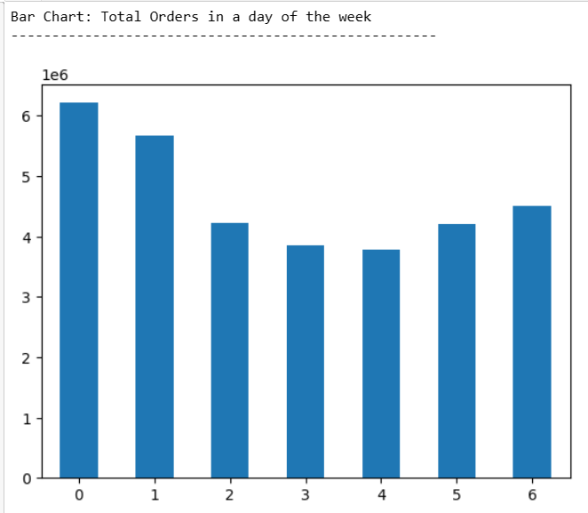
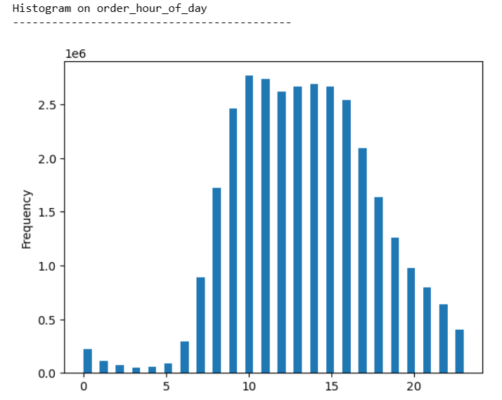

The busiest days of the week are Saturday and Sunday. The total number of count in orders on Saturday & Sunday is at its peak.
Busiest hours are from 9 AM to 4 PM. The total number of order counts from 9 AM to 4 PM is 2,500,000 orders.

 | ● They also want to know whether there are particular times of the day when people spend
 | the most money, as this might inform the type of products they advertise at these times.

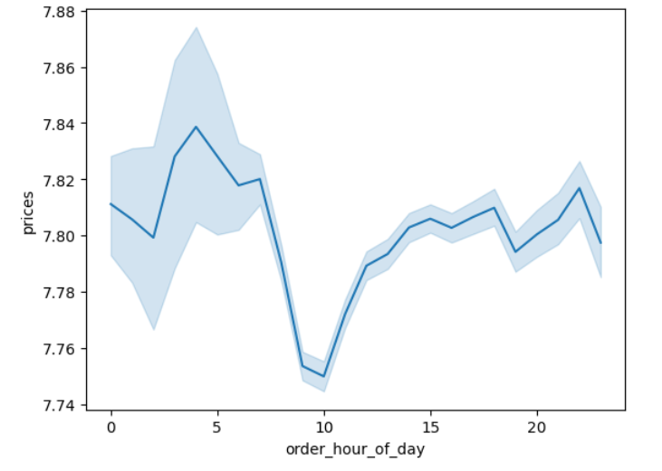

Line chart to demonstrate the difference in expenditure depending on the hour of the day. People spend most money between 2 AM to 8 AM and 3 PM to 12 AM. And the total spending is between 7.74 to 7.84

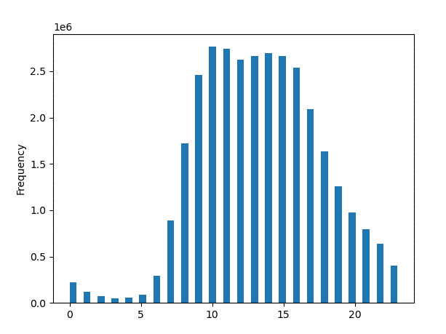

The histogram on the left displays the number of order requests received during the day—the peak hours between 9 AM to 4 PM.
During the night, 8 PM to 8 AM are the least business hours

 | ● Instacart has a lot of products with different price tags. Marketing and sales want to use
 | simpler price range groupings to help direct their efforts.
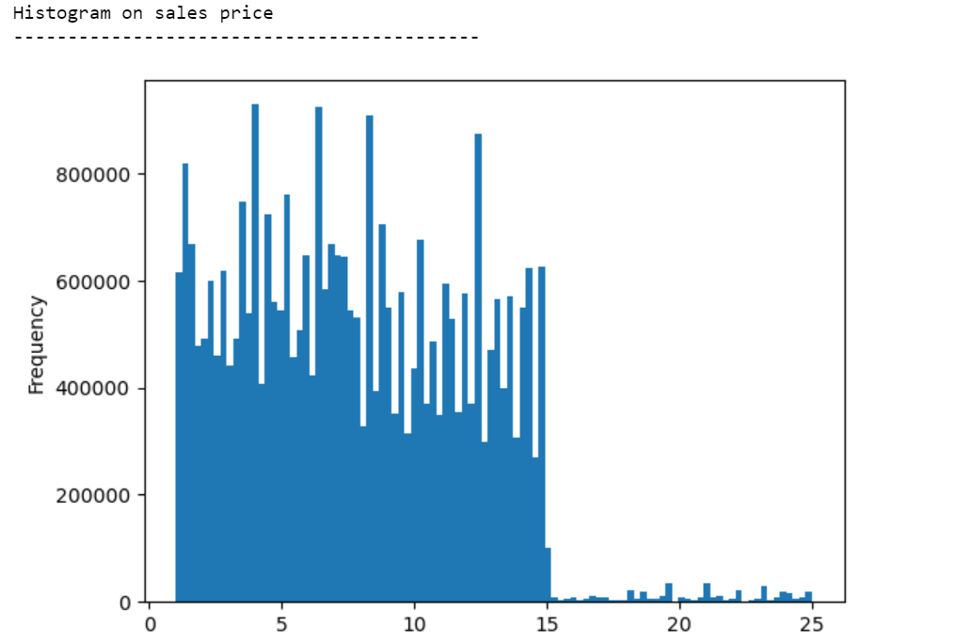

The number of purchase order between 15$ and to 25$ is very less
The number of purchase orders between 3$ to 15$ range is very high

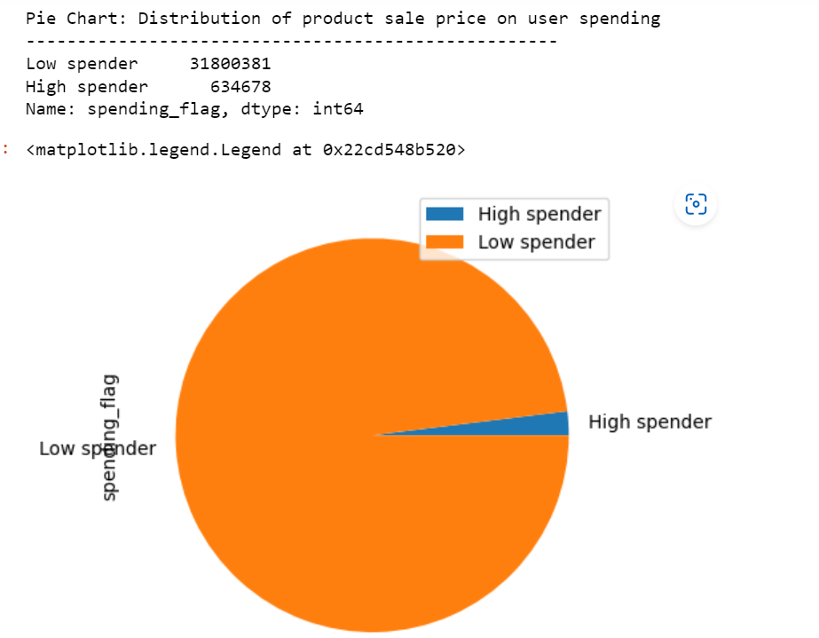
If total customer spending is less than ten, the customers are considered low spenders.
If total customer spending is more than or equal to ten dollars, then the customers are considered low spenders.
The low spender count is 31.800.381
The high spender count is 634678

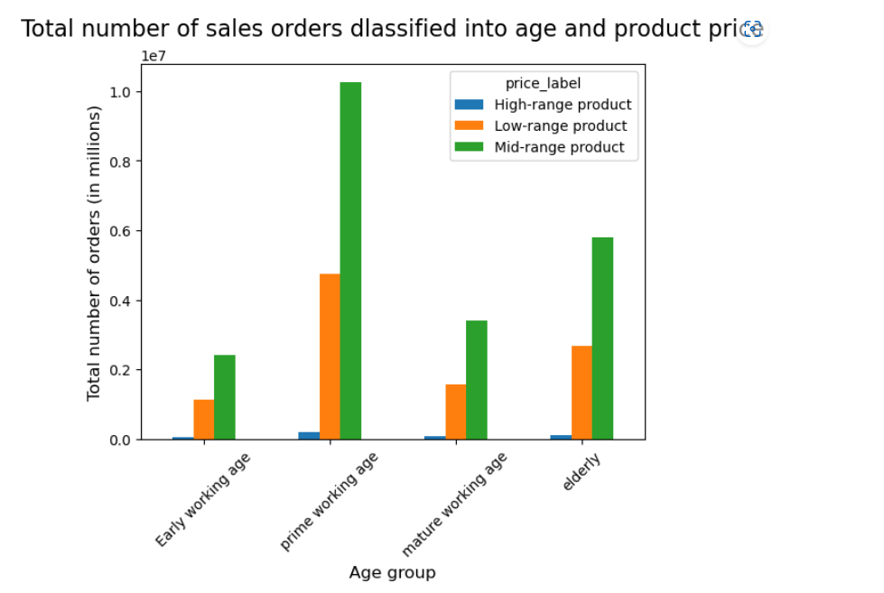

The highest purchase products are mid-range products.
The second highest purchase products are low-range products.
The least orders received products are High range products

2 | The marketing and sales teams are particularly interested in the different types of
 | customers in their system and how their ordering behaviors differ. For example:

 | ● What’s the distribution among users in regards to their brand loyalty (i.e., how
 | often do they return to Instacart)?
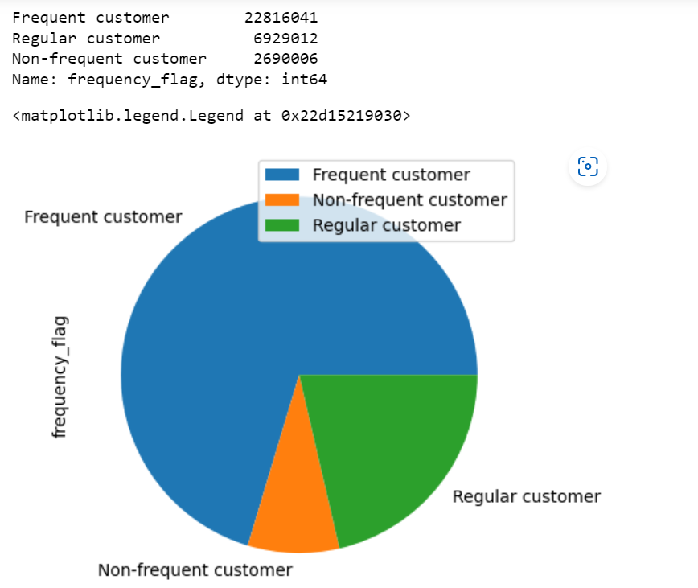

The highest purchased products are mid-range products.
The second highest purchase products are low-range products.
The minor orders received products are High range products.

 | ● Are there differences in ordering habits based on a customer’s loyalty status?

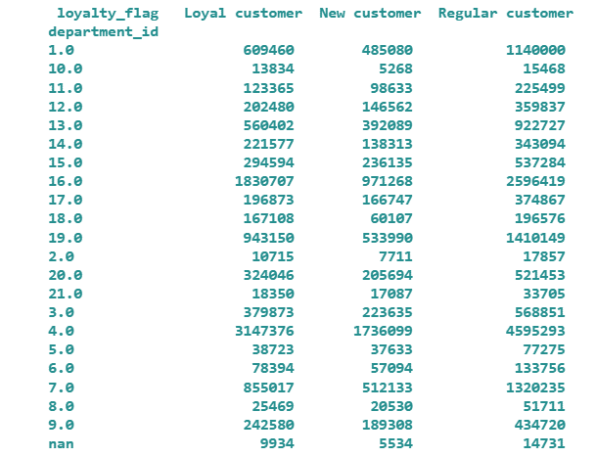
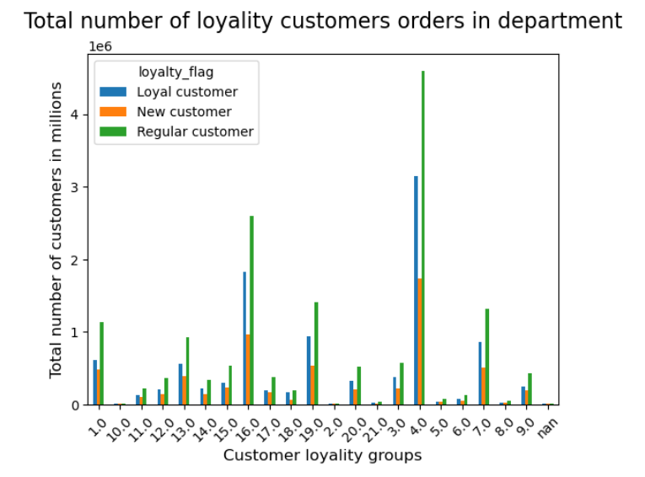

Most of the purchases of loyal customers purchases are from department 4.
Organic bananas & bananas are the product most sold to royal customers.
10,2,5 & 8 are the departments which sold the least sold products.

 | ● Are there differences in ordering habits based on a customer’s region?
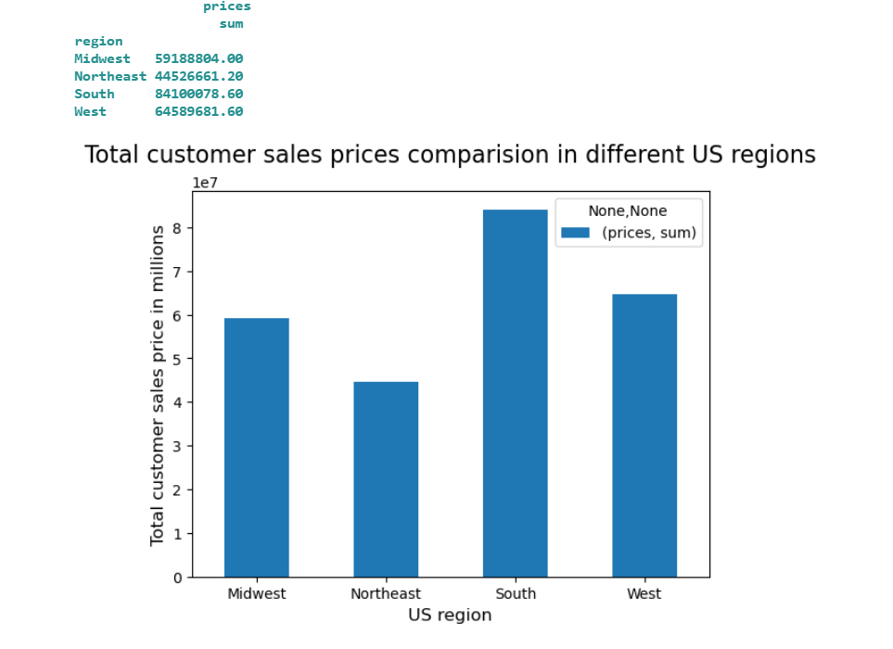

South Reason has made the highest sales compared to the rest, with 84,100,078.60 dollars in product sales.
The highest sold department is 4.

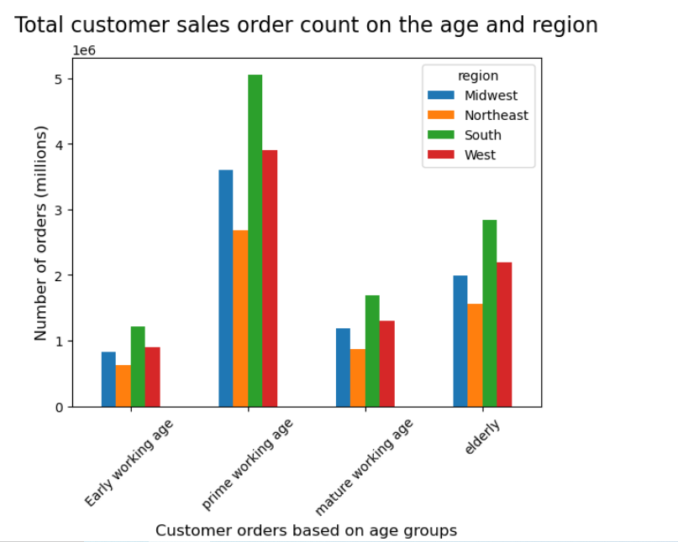

The highest sales in the South are from the prime working age group.

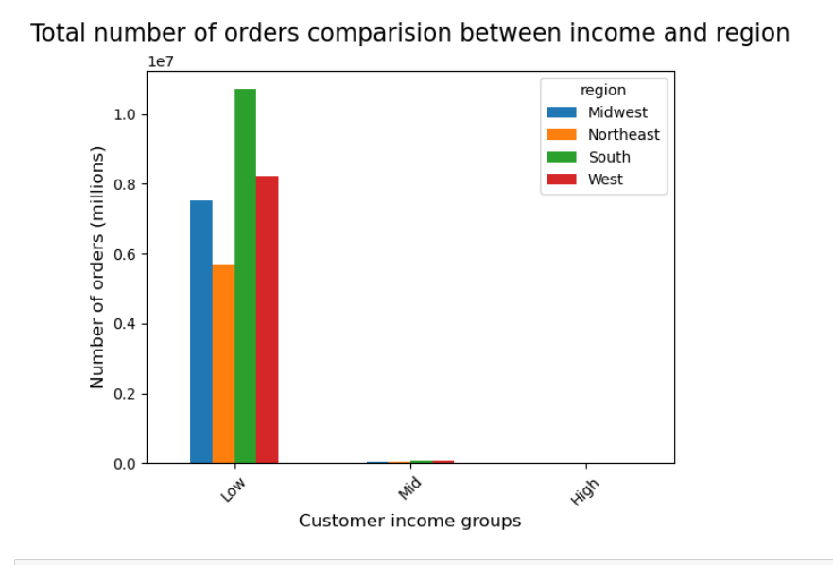

The low-income group has made the highest purchases in Northeast reason.

 | ● Is there a connection between age and family status in terms of ordering habits?
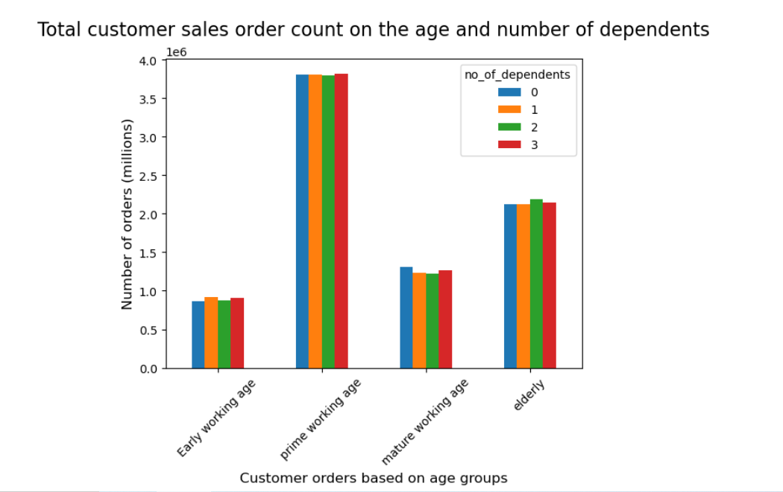

All age groups have an equal number of dependents.
Prime working age group have made the highest purchase orders.

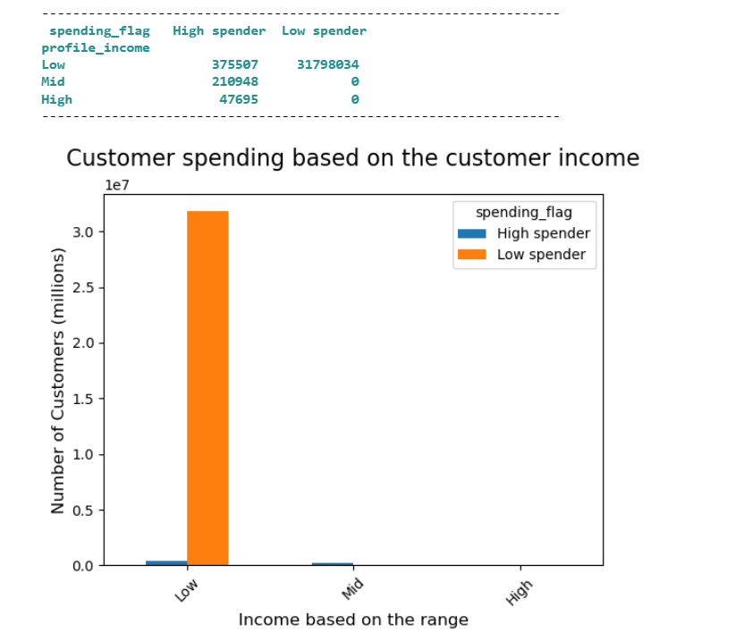

The low income family group has the highest spending total, counts to 31,798,034 purchase orders

7. Recommendations
 |  | Title page

Recommendations

In this tab you should include any recommendations you would made to Instcart in terms of their marketing strategy based on the questions posed in the brief. Every key question has been covered in the Tasks of the Exercises - here you need to add an item - a visualisation or table/crosstable that is showing the answer in the data, acompanied by a comment from you. Please, list the questions below and add the answer underneath.

 | Question
 | Vice President of Marketing: “We’re always looking into improving our targeting for ad campaigns.”

 | Senior Vice President of Sales: “We need to know what part of our offering has the lowest market share and why. Based on this input, we could improve this sector and boost sales.”

 | Instacart Customer: “I want to receive ads, promotions, and recommendations that are relevant to the products I order regularly.”

1 | The sales team needs to know what the busiest days of the week and hours of the day are (i.e., the days and times with the most orders) in order to schedule ads at times when there are fewer orders.

 | The busiest days for the ad campaign are Saturdays and Sundays.
 | Require to investigation why the sales order during weekdays are less than weekends.

2 | They also want to know whether there are particular times of the day when people spend the most money, as this might inform the type of products they advertise at these times.

 | Busy hours of the purchase orders are from 9 AM to 5 PM. During these hours, advertising/marketing is recommended.
 | Require to investigation why the sales order during weekdays are less than weekends.

3 | Instacart has a lot of products with different price tags. Marketing and sales want to use simpler price range groupings to help direct their efforts.

 | to increase sales order counts, the high-price range products require an additional ad campaign/marketing

4 | Are there certain types of products that are more popular than others? The marketing and sales teams want to know which departments have the highest frequency of product orders.

 | Departments 4 and 16 have received the highest orders. The least orders are received in the department 10,11,2, 21 and 8

